chem analysis
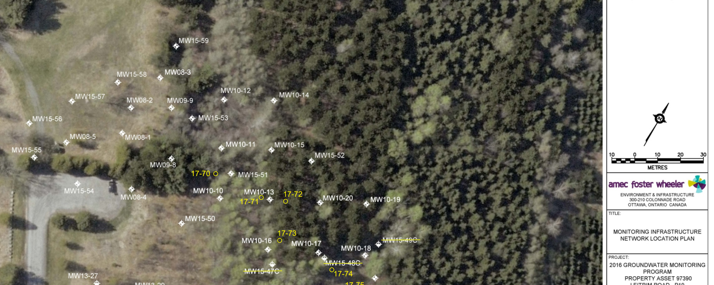
Section line
piezometer # | time (s) | pH | redox potential (mV) | alkalinity | H2SO4 |  | Inside | PH | m l
15-51 | 30 | 7.32 | -46 |  | V added (mL) | Digits | 17--70 | 7.18 | 0.07375
 | 60 | 7.32 | -68 | endpoint 1 | 0.12 | 96 | 10--10 | 7.22 | 0.12125
 | 90 | 7.32 | -65 | endpoint 2 | 0.12125 | 97 | 10--11 | 7.22 | 0.095
 | 120 | 7.32 | -70 | endpoint 3 | 0.1225 | 98 | 10--13 | 7.23 | 0.07
 | 150 | 7.32 | -73 |  |  |  | 15--51 | 7.32 | 0.12125
 | 180 | 7.32 | -76 | eq | 0.000194
 | 210 | 7.32 | -78 | CaCO3 | 388 |  | Outside
 | 240 | 7.32 | -80 |  |  |  | 10--12 | 6.95 | 0.04875
 | 270 | 7.32 | -81 |  |  |  | 10--14 | 6.84 | 0.115
 | 300 | 7.32 | -82 |  |  |  | 15--52 | 7.44 | 0.04125
 |  |  |  |  |  |  | 15--59 | 6.56 | 0.02875
10--11 | 30 | 7.2 | 103 | alkalinity
 | 60 | 7.21 | 98
 | 90 | 7.21 | 95 | endpoint 1 | 0.09375 | 75
 | 120 | 7.22 | 92 | endpoint 2 | 0.095 | 76
 | 150 | 7.21 | 89 | endpoint 3 | 0.1 | 80
 | 180 | 7.22 | 87
 | 210 | 7.22 | 84 | eq | 0.000152
 | 240 | 7.22 | 83 | CaCO3 | 304
 | 270 | 7.22 | 81
 | 300 | 7.23 | 80

10--13 | 30 | 7.14 | 99 | alkalinity
 | 60 | 7.19 | 44
 | 90 | 7.21 | 11 | endpoint 1 | 0.06875 | 55
 | 120 | 7.22 | 8 | endpoint 2 | 0.07 | 56
 | 150 | 7.22 | -18 | endpoint 3 | 0.07 | 56
 | 180 | 7.23 | -25
 | 210 | 7.23 | -29 | eq | 0.000112
 | 240 | 7.23 | -32 | CaCO3 | 224
 | 270 | 7.23 | -34
 | 300 | 7.23 | -37
 |  |  |  |  |  |  |  | Inside | Fe2+ | Total dissolved Fe | Total Fe | Fe3+ | So42-
10--10 | 30 | 7.19 | 55 | alkalinity |  |  |  | 17--70 | 0 | 0.04 | 0 | 0.04 | 31
 | 60 | 7.21 | 18 |  |  |  |  | 10--10 | 0.9 | 2.11 | 2.85 | 1.21 | 43
 | 90 | 7.21 | -3 | endpoint 1 | 0.11875 | 95 |  | 10--11 | 0.03 | 0.13 | 0.33 | 0.1 | 16
 | 120 | 7.22 | -14 | endpoint 2 | 0.12125 | 97 |  | 10--13 | 1.02 | 2.26 | 2.15 | 1.24 | 42
 | 150 | 7.22 | -21 | endpoint 3 | 0.12375 | 99 |  | 15--51 | 1.18 | 1.31 | 4.85 | 0.13 | 20
 | 180 | 7.22 | -27
 | 210 | 7.22 | -30 | eq | 0.000194 |  |  | Outside
 | 240 | 7.22 | -32 | CaCO3 | 388 |  |  | 10--12 | 0.53 | 0.8 | 0.3 | 0.27 | 51
 | 270 | 7.22 | -34 |  |  |  |  | 10--14 | 0.04 | 0 | 0 | -0.04 | 0
 | 300 | 7.22 | -36 |  |  |  |  | 15--52 | 0.12 | 0.76 | 0.05 | 0.64 | 18
 |  |  |  |  |  |  |  | 15--59 | 0.58 | 0.97 | 0.94 | 0.39 | 15
17-70 | 30 | 7.17 | 95 | alkalinity
 | 60 | 7.17 | 96
 | 90 | 7.18 | 98 | endpoint 1 | 0.0725 | 58
 | 120 | 7.18 | 99 | endpoint 2 | 0.07375 | 59
 | 150 | 7.18 | 100 | endpoint 3 | 0.07625 | 61
 | 180 | 7.18 | 101
 | 210 | 7.18 | 102 | eq | 0.000118
 | 240 | 7.18 | 103 | CaCO3 | 236
 | 270 | 7.18 | 103
 | 300 | 7.18 | 104

15-59 | 30 | 6.6 | 147 | alkalinity
 | 60 | 6.59 | 138
 | 90 | 6.59 | 131 | endpoint 1 | 0.025625 | 20.5
 | 120 | 6.58 | 127 | endpoint 2 | 0.02875 | 23
 | 150 | 6.58 | 122 | endpoint 3 | 0.03 | 24
 | 180 | 6.57 | 118
 | 210 | 6.56 | 114 | eq | 0.000046
 | 240 | 6.56 | 111 | CaCO3 | 92
 | 270 | 6.56 | 108
 | 300 | 6.56 | 105

15-52 | 30 | 7.42 | 59 | alkalinity
 | 60 | 7.43 | 34
 | 90 | 7.43 | 17 | endpoint 1 | 0.04 | 32
 | 120 | 7.44 | 4 | endpoint 2 | 0.04125 | 33
 | 150 | 7.44 | -4 | endpoint 3 | 0.0425 | 34
 | 180 | 7.44 | -9
 | 210 | 7.44 | -14 | eq | 0.000066
 | 240 | 7.43 | -17 | CaCO3 | 132
 | 270 | 7.42 | -2
 | 300 | 7.43 | -22

10--12 | 30 | 7.01 | 154 | alkalinity
 | 60 | 7 | 154
 | 90 | 6.98 | 152 | endpoint 1 | 0.0475 | 38
 | 120 | 6.97 | 150 | endpoint 2 | 0.04875 | 39
 | 150 | 6.96 | 147 | endpoint 3 | 0.05 | 40
 | 180 | 6.95 | 144
 | 210 | 6.95 | 141 | eq | 0.000078
 | 240 | 6.94 | 139 | CaCO3 | 156
 | 270 | 6.93 | 137
 | 300 | 6.92 | 134

10--14 | 30 | 7 | 121 | alkalinity
 | 60 | 6.92 | 126
 | 90 | 6.89 | 132 | endpoint 1 | 0.11375 | 91
 | 120 | 6.87 | 135 | endpoint 2 | 0.115 | 92
 | 150 | 6.85 | 140 | endpoint 3 | 0.11875 | 95
 | 180 | 6.84 | 144
 | 210 | 6.83 | 148 | eq | 0.000184
 | 240 | 6.83 | 151 | CaCO3 | 368
 | 270 | 6.82 | 154
 | 300 | 6.81 | 157

Geo chem vs distance
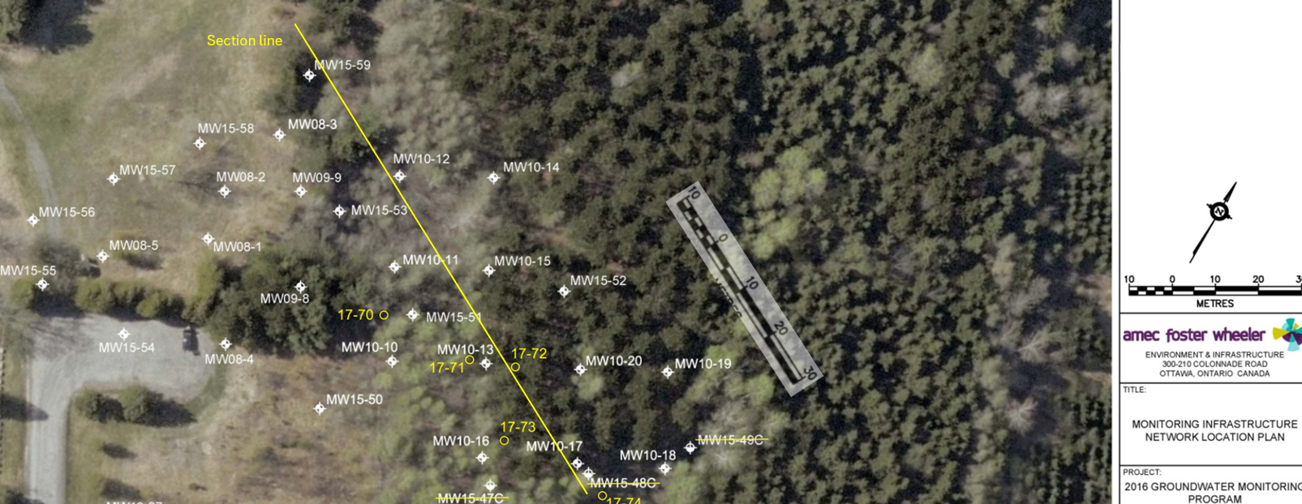
Piezometer | distance between wells (m) | Distance along the section line(m) | PH | redox potential (mV) | Alkalinity (CaCO3 mg/l) | Fe2+(mg/l) | Fe3+(mg/l) | Total Fe(mg/l) | So42-(mg/l)
MW15-59 | 0 | 10 | 6.56 | 105 | 92 | 0.58 | 0.39 | 0.94 | 15
MW10-12 | 12 | 22 | 6.95 | 134 | 156 | 0.53 | 0.27 | 0.3 | 51
MW10-14 | 8 | 30 | 6.84 | 157 | 368 | 0.04 | 0 | 0 | 0
MW10-11 | 4 | 34 | 7.22 | 81 | 304 | 0.03 | 0.1 | 0.33 | 16
MW17-70 | 7 | 41 | 7.18 | 104 | 236 | 0 | 0.04 | 0 | 31
MW15-51 | 2 | 43 | 7.32 | -80 | 388 | 1.18 | 0.13 | 4.85 | 20
MW10-10 | 6 | 49 | 7.22 | -36 | 388 | 0.9 | 1.21 | 2.85 | 43
MW15-52 | 4 | 53 | 7.44 | -22 | 132 | 0.12 | 0.64 | 0.05 | 18
MW10-13 | 2 | 55 | 7.23 | -37 | 224 | 1.02 | 1.24 | 2.15 | 42

inside versus outside the plume
Piezometer | Location | PH | Redox potential (mV) | Alkalinity (CaCO3 mg/l) | Fe2+(mg/l) | Fe3+(mg/l) | Total Fe(mg/l) | So42-(mg/l)
MW17-70 | Inside | 7.18 | 104 | 236 | 0 | 0.04 | 0 | 31
MW10-10 | Inside | 7.22 | -36 | 388 | 0.9 | 1.21 | 2.85 | 43
MW10-11 | Inside | 7.22 | 81 | 304 | 0.03 | 0.1 | 0.33 | 16
MW10-13 | Inside | 7.23 | -37 | 224 | 1.02 | 1.24 | 2.15 | 42
MW15-51 | Inside | 7.32 | -80 | 388 | 1.18 | 0.13 | 4.85 | 20
MW10-12 | Outside | 6.95 | 134 | 156 | 0.53 | 0.27 | 0.3 | 51
MW10-14 | Outside | 6.84 | 157 | 368 | 0.04 | 0 | 0 | 0
MW15-52 | Outside | 7.44 | -22 | 132 | 0.12 | 0.64 | 0.05 | 18
MW15-59 | Outside | 6.56 | 105 | 92 | 0.58 | 0.39 | 0.94 | 15

hydrostratigraphic data
piezometers | easting | northing | ground elev (masl) | borehole depth (m) | borehole bottom elevation (masl) | top of PVC elevation | well screen length (m) | Geologic Media Intersected by well | distance between wells (m) | distance of wells | 86.261 | top of PVC elevation | mid-point of screen
MW15-59 | 378160 | 5023513 | 86.261 | 3.05 | 83.21 | 87.01 | 1.52 | sand | 0 | 10 | 86.261 | 87.01 | 0.76
MW10-12 | 378188 | 5023504 | 85.662 | 4.28 | 81.38 | 86.78 | 1.52 | sand | 22 | 32 | 85.662 | 86.78 | 0.76
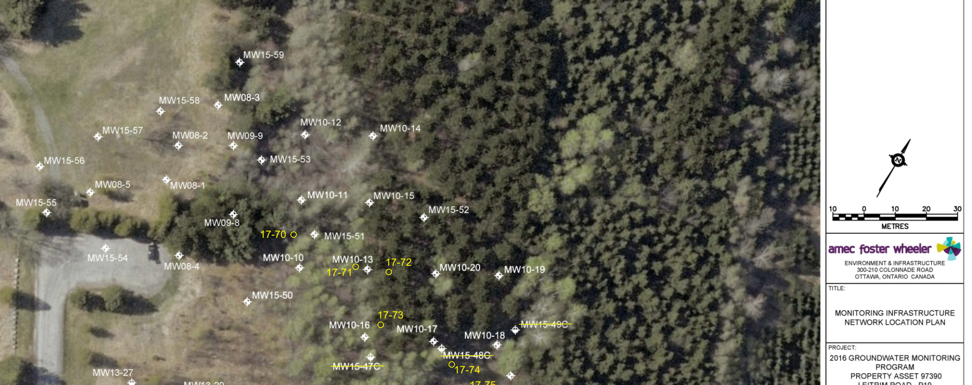
MW10-11 | 378196 | 5023486 | 85.816 | 4.28 | 81.53 | 86.96 | 1.52 | sand | 11 | 43 | 85.816 | 86.96 | 0.76
MW15-51 | 378205 | 5023500 | 85.933 | 6.1 | 79.83 | 86.75 | 1.52 | sand | 12.5 | 55.5 | 85.933 | 86.75 | 0.76
MW10-10 | 378206 | 5023469 | 85.918 | 6.73 | 79.19 | 86.844 | 1.52 | sand | 11.5 | 67 | 85.918 | 86.844 | 0.76
 |  |  |  |  |  |  |  |  |  | topsoil
 |  |  |  | pressure head |  |  |  |  |  | sand
MW15-59
MW10-12
MW10-10
Subsurface Profiles |  |  |  | 0.727 |  |  |  |  |  | fill
 | soil type | to elevation (m) | to depth (m) | 1.289 |  |  |  |  |  | clay
15-51 | topsoil | 85.93 | 0 | 0.986
 | sand | 82.28 | 3.66 | 2.194
 | clay | 79.84 | 6.1 | 0.668

15-59 | topsoil | 86.26 | 0 | water level
 | fill | 85.5 | 0.46 | 83.937
 | sand | 83.97 | 2.29 | 82.669
 | clay | 83.21 | 3.05 | 82.516
 |  |  |  | 82.024
MW10-10 | sand + trace gravel | 85.918 | 3.08 | 79.858
 | clay | 82.838 | 0.21
 | sand | 82.629 | 1 |  | 84.61
 | gravel | 81.629 | 1.2 |  | 84.503
 | clay | 80.429 | 1.2 |  | 84.499
 |  |  |  |  | 84.545
 |  |  |  |  | 84.681
MW10-11 | sand | 85.816 | 2.25
 | silty clay | 83.566 | 0.77
 | sand | 82.796
 | sand and clay

MW10-12 | sand | 85.662 | 2.57
 | clay | 83.092 | 0.5
 | silty clay | 82.592 | 1.2
 |  | 81.392

water table
piezometers | water level (m) | elevation of casing (masl) | x coordinates | y coordinates | hydraulic head (m)
MW15-62 | 2.624 | 87.55 | 378097 | 5023443 | 84.926
MW15-56 | 2.982 | 87.77 | 378124 | 5023456 | 84.788
MW15-55 | 2.893 | 87.56 | 378133 | 5023445 | 84.667
MW08-5 | 1.793 | 87.53 | 378141 | 5023457 | 85.737
378097 | 5023443
378124 | 5023456
378133 | 5023445
378141 | 5023457
378135 | 5023472
378180 | 5023414
378147 | 5023488
378159 | 5023472
378157 | 5023482
378173 | 5023454
378205 | 5023424
378161 | 5023498
378171 | 5023490
378160 | 5023513
378198 | 5023452
378180 | 5023491
378206 | 5023469
378196 | 5023486
378188 | 5023504
378205 | 5023480
378240 | 5023434
378233 | 5023461
378224 | 5023478
378214 | 5023496
378205 | 5023514
378262 | 5023447
378230 | 5023500
378266 | 5023445
378251 | 5023470
378242 | 5023487
378280 | 5023450
378280 | 5023450
378279 | 5023458
378268 | 5023478
378258 | 5023496
378279 | 5023469
378288 | 5023455
378289 | 5023455
378297 | 5023468
378313 | 5023479
378332 | 5023488
MW15-57 | 2.948 | 87.7 | 378135 | 5023472 | 84.752

MW13-27 | 1.949 | 87.29 | 378180 | 5023414 | 85.341
MW15-58 | 2.599 | 87.25 | 378147 | 5023488 | 84.651
MW08-1 | 2.555 | 87.31 | 378159 | 5023472 | 84.755
MW08-02 | 2.642 | 87.05 | 378157 | 5023482 | 84.408
MW08-4 | 2.382 | 86.52 | 378173 | 5023454 | 84.138
MW13-29 | 1.958 | 87 | 378205 | 5023424 | 85.042
MW08-3 | 2.37 | 86.93 | 378161 | 5023498 | 84.56
MW09-9 | 2.326 | 86.93 | 378171 | 5023490 | 84.604

MW15-59 | 2.4 | 87.01 | 378160 | 5023513 | 84.61
MW15-50 | 2.181 | 86.78 | 378198 | 5023452 | 84.599
MW15-53 | 1.908 | 86.44 | 378180 | 5023491 | 84.532
MW10-10 | 2.469 | 87.15 | 378206 | 5023469 | 84.681
MW10-11 | 2.461 | 86.96 | 378196 | 5023486 | 84.499
MW10-12 | 2.277 | 86.78 | 378188 | 5023504 | 84.503
MW15-51 | 2.235 | 86.78 | 378205 | 5023480 | 84.545
MW15-45 | 2.626 | 86.78 | 378240 | 5023434 | 84.154
MW10-16 | 2.759 | 87.19 | 378233 | 5023461 | 84.431
MW10-13 | 2.918 | 87.38 | 378224 | 5023478 | 84.462
MW10-15 | 2.949 | 87.46 | 378214 | 5023496 | 84.511
MW10-14 | 2.998 | 87.52 | 378205 | 5023514 | 84.522
MW10-24 | 2.238 | 87.81 | 378262 | 5023447 | 85.572
MW15-52 | 2.681 | 87.14 | 378230 | 5023500 | 84.459
MW15-39 | 3.079 | 87.39 | 378266 | 5023445 | 84.311
MW10-17 | 3.146 | 87.51 | 378251 | 5023470 | 84.364
MW10-20 | 0 | 87.47 | 378242 | 5023487 | 87.47
MW15-41 | 2.68 | 86.97 | 378280 | 5023450 | 84.29
MW15-40C | 2.634 | 86.89 | 378280 | 5023450 | 84.256
MW10-25 | 2.962 | 87.24 | 378279 | 5023458 | 84.278
MW10-18 | 2.899 | 87.25 | 378268 | 5023478 | 84.351
MW10-19 | 2.9251 | 87.29 | 378258 | 5023496 | 84.3649
MW15-63 | 2.445 | 86.77 | 378279 | 5023469 | 84.325
MW15-42C | 2.915 | 86.71 | 378288 | 5023455 | 83.795
MW15-43 | 2.428 | 86.49 | 378289 | 5023455 | 84.062
MW10-21 | 2.432 | 86.46 | 378297 | 5023468 | 84.028
MW10-23 | 2.241 | 86.17 | 378313 | 5023479 | 83.929
MW10-22 | 2.066 | 85.78 | 378332 | 5023488 | 83.714

